Sheet1
 | Document No. |  | Issue No. | Issue Date |  |  | Review and Replace Date |  | Authorised By
 | GFF0097MC |  | 1 | 20.05.2019 |  |  | New Issue
 | Document Title |  | Fritters Selection 828g - High Risk
 | Cross Ref: BRC 7 |  | Page 1 of 1 |  |  | Clause |  | 6.1 | Magda Shah
Document amendments reason for change | New product launch |  |  |  |  | Previous Issue Date |  | New Issue | Uncontrolled copy unless signed original

CVFRSL-B36X8T |  | GAZEBO |  |  | FRITTERS SELECTION 828g
STEP 1 |  |  |  |  |  | STEP 2
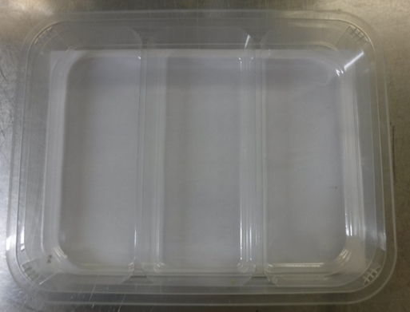 |  |  |  |  |  | 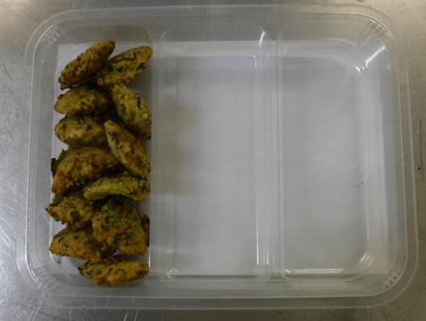

Courgette Fritter on the LEFT

Packaging: TRAY H3H 50 - CLEAR (PKNUT001-07) + PLASTIC TRAY DIVIDER (PKKIN001-06) |  |  |  |  |  | Courgette, Peas & Mint Fritter (GFF0252R) 12 x 22g (264g)
Film - 410AF (PKPRO001-10)
STEP 3 |  |  |  |  |  | STEP 4
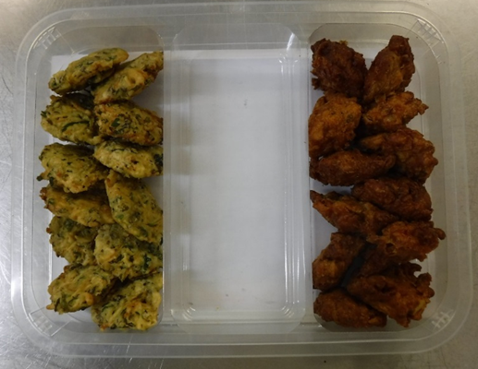 |  |  |  |  |  | 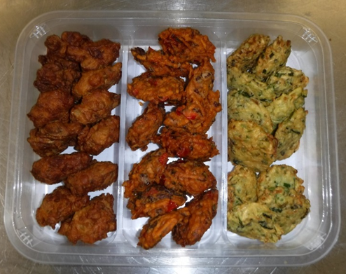
Sweet Potato Fritter in the MIDDLE
Mushroom Fritter on the RIGHT

Mushroom & Onion Fritter (GFF254R) 12 x 25g (300g) |  |  |  |  |  | Sweet Potato & Black Beans (GFF253R) 12 x 22g (264g) |  |  | Total Weight 828 g

ALLERGY ALERT: WHEAT , SULPHITES

